A.SubmittalSetup
SOP: | AQS Submittal Setup | version: | 1.0 | date: | 2021-01-22 | responsibility: | Site Operator or as designated by Tribal Agency
 |  |  |  |  |  | prereq: | The AQS user name (usually 3 letters such as ROE) corresponds to their agency's AQS screening group. This AQS user name is the only credential that is needed. Even if your AQS password has expired, and you do not have an exchange network (CDX) account, this process will work, using the default ITEP exchange network account (as long as ITEP keeps that password current).
This SOP covers the process of setting up or modifying the credentials in QREST that are used to send data through QREST's node directly to AQS, for both monitoring data and QC data. This process can be completed at any time prior to sending data. In some cases, communication with EPA AQS regional or central personnel may be necessary to verify AQS codes, so this step should be completed well prior to deadlines. More information can be found at the links in the References tab.

1
 |  |  |  |  |  | frequency: | Data can be sent to AQS at any time, but in general is sent at least every month or quarter.
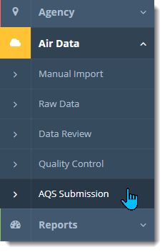
Step:
1 | Navigate to
 | Air Data ->
 | AQS Submission

2 | This opens a panel listing all previous AQS files generated in QREST for this agency. Click Add.

2

3 | On the right side of the panel are the accounts to be used when sending this data through the Exchange Network through to AQS. Once these are saved in QREST, this does not need to be edited by tribal agencies unless the AQS user name (such as ROE) being used to send data to this agency changes. (QREST does not need your AQS pw, only your AQS user name that has access to add data for sites in your AQS screening group.) Click Change to set up or change the information:

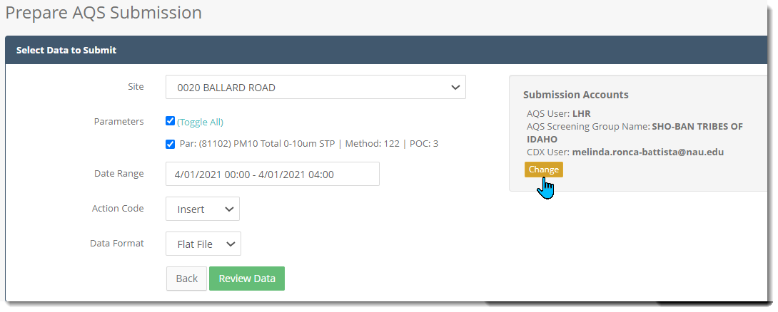
3

4 | Verify that the AQS user ID and the AQS Screening Group Name are correct. The Screening Group name must be exactly the same as how AQS lists your screening group. (Also, what AQS lists as your Screening Group is sometimes not exactly what AQS lists as your Agency name. Access AQS and/or your EPA AQS contact person to verify your Screening Group name; see References.)

4

5 | The default CDX Account used by QREST is ITEP's, and this can be left as is so that the AQS submissions can be sent through this default CDX account. If you would prefer to use your CDX account, uncheck the box and enter your CDX user name and pw:

 | Enter the AQS User and Screening Group.

5a | To verify that the CDX credentials will be accepted by the Exchange Network, click SAVE then test.

5b | If you decide to keep the default CDX credentials, check the box for Use Global CDX Account.

5c | Click Back to return to the AQS Submittal page.

B.MonitoringData
SOP: | Monitoring Data to AQS | version: | 1.0 | date: | 2021-01-22 | responsibility: | Site Operator or as designated by Tribal Agency
 |  |  |  |  | prereq: | The steps in Submittal Setup must be complete and correspond exactly to all the codes in AQS for this site, parameter, and POC for AQS to accept the data that QREST sends to it. Also, QREST will not send data to AQS until both Level 1 and 2 Review is complete, with all records indicating Suitable for AQS, and the Lvl 1 and 2 Check boxes checked.
This SOP covers the process of sending monitoring data through QREST's node directly to AQS. This process can send I=insert, U=update, or D=delete files to AQS. AQS information can be found at the links in the References tab.

 |  |  |  |  |  | frequency: | Data can be sent to AQS at any time, but in general is sent at least every month or quarter.
To confirm that the codes in QREST match exactly the codes in AQS, see the SOPs for ImportSitesFromAQS and ImportMonitorsFromAQS.

1
 | Data Selection
Step:
1 | Navigate to
 | Air Data ->
 | AQS Submission

2 | This opens a panel listing all previous AQS files generated in QREST for your agency. Click Add.

2

3 | Select site, parameter(s), datetime range, type of action code for the file, and flat (pipe) delimted or xml.

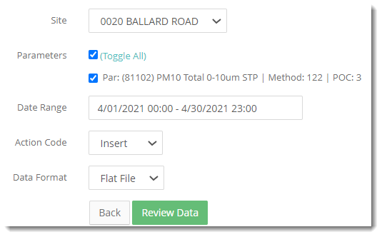
3a
3a | AQS will accept multiple parameters in the same file. Toggle all on or off to allow you to select whatever parameters are to be sent to AQS in this file.

3b | Datetime range can be changed by typing in the box, or, after clicking in the Date Range box, using the popup calendar and hour scroll wheels. If your interval is on one day, click the same date twice in the calendar, or enter the same date in the box. You can also double click on any component of the datetime, such as the hour, then type in your date selection.

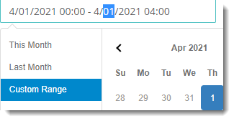
3b

3c | Select Insert for sending "new" data to AQS (data for which AQS does not already have values for that datetime, parameter, and POC).

3d | Select Data Format as Flat File (the symbol | as delimiters) or xml format. Most people find it easier to read pipe delimited files, should you want to review the file itself (see step 8).

4 | Click Review Data.
4a | If the panel that opens shows all values within the datetime range as being green in all categories, the selected data are ready to be sent to AQS.

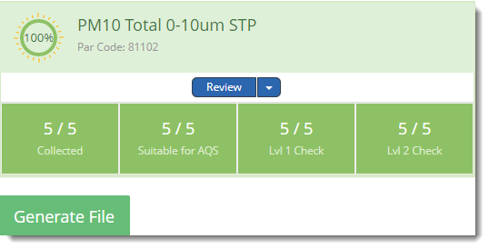

4b | If the panel includes some boxes that are not green, this particular datetime range is not ready to be sent to AQS.
 |  | examples:
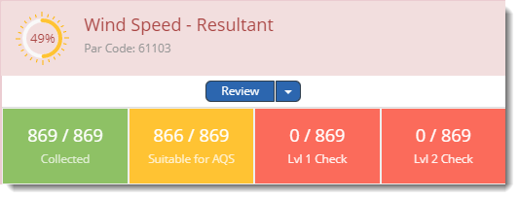
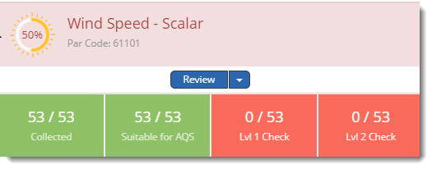

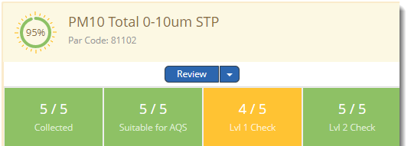

4c | If any of the records within the datetime interval are not ready for AQS, the data must be further reviewed. Click Review or the dropdown arrow next to Review for the Advanced Review feature. These link to a page where you can edit this selection of data so that it can be ready for AQS. See the SOPs for data review and validation.

5 | If all records are suitable for AQS, click Generate File:
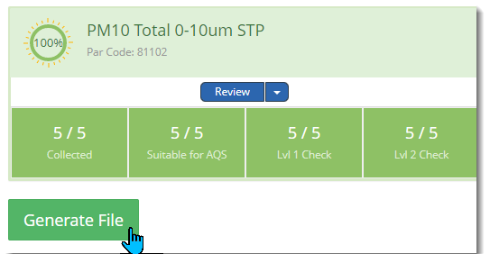

6 | QREST opens a page listing this AQS file, as well as any previous AQS files. To send to AQS, click Submit to EPA.

7 | It is likely that the email address corresponding to the AQS user name will receive an email from AQS before the status of the submittal is refreshed in QREST. Check for those emails, but eventually the status of the submittal in QREST will receive the information from AQS with the status as Pending, Processing, Completed or Error, similar to the Refresh button in AQS. The emails sent by AQS to the email associated with this AQS ID (such as ROE) often provide information needed to diagnose any problems.

8 | To inspect the files that have been generated in QREST, click to open the hyperlinked filename:

 | Which opens the file in notepad:

C. QC Data
SOP: | QC Data to AQS | version: | 1.0 | date: | 2021-01-22 | responsibility: | Site Operator or as designated by Tribal Agency
 |  |  |  |  | prereq: | The steps in Submittal Setup must be complete and correspond exactly to all the codes in AQS for this site, pollutant, and POC for AQS to accept the data that QREST sends to it. This SOP assumes the QC data has already been entered into QREST.
This SOP covers the process of sending QC data through QREST's node directly to AQS. (The operation of entering QC data into QREST is described in the SOP for QC Data.)

 |  |  |  |  |  | frequency: | QC data can be entered into QREST at any time, and can be sent to AQS whenever convenient, but in general is sent at least every month or quarter. QC data must be loaded in AQS prior to the annual data certification in AQS.
To confirm that the codes in QREST match exactly the codes in AQS, see the SOPs for ImportSitesFromAQS and ImportMonitorsFromAQS.

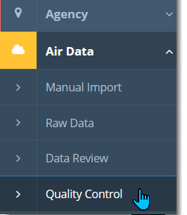
 | Data Selection
Step:
1 | Navigate to Air Data ->
 | Quality Control

1

2 | QREST opens a page listing all QC data entries:
2

3 | To send any QC check data to AQS, click Edit for that check:

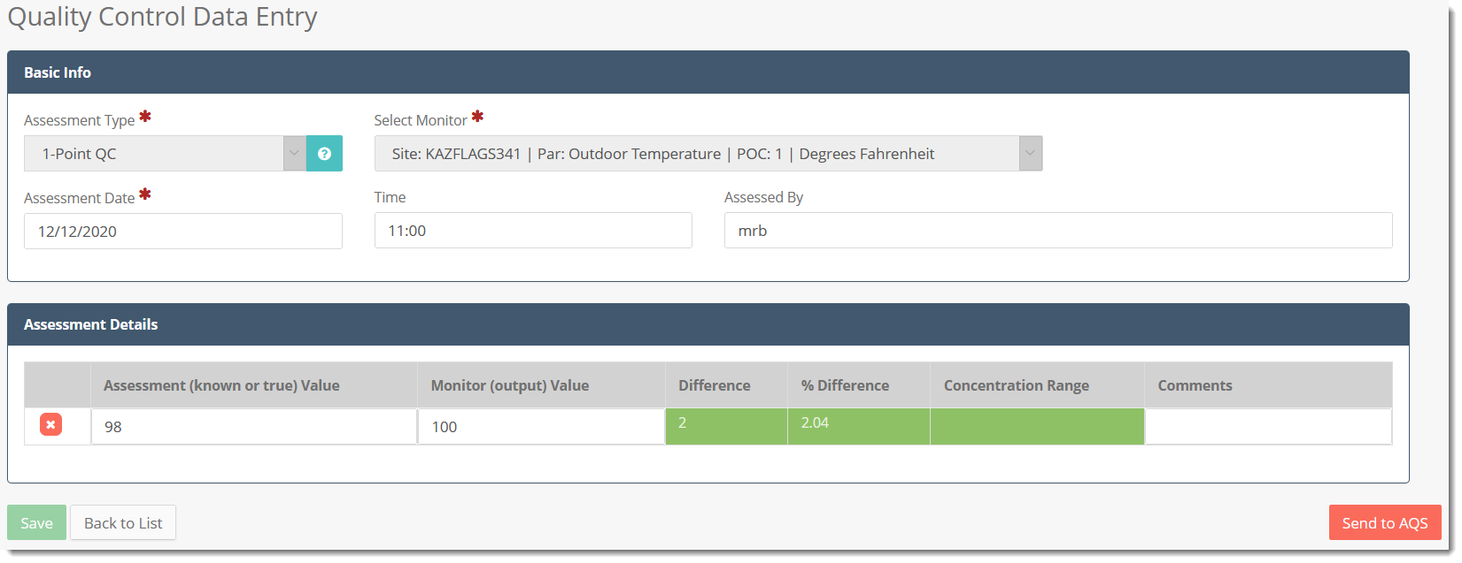
4
4 | The page for that QC data opens, and to begin the process of sending to AQS, click….wait for it….Send to AQS!

5 | That opens the AQS feature:
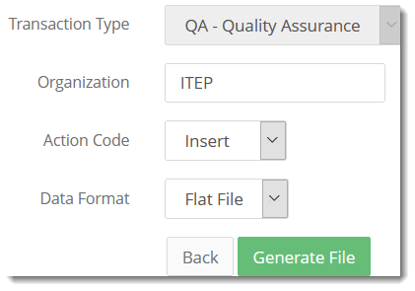

6 | Click Generate File, which opens a page listing all the AQS files generated in QREST:

7 | Click Submit to EPA to send the data to AQS. See the MonitoringData tab steps 7 and 8 to open the txt file and check if AQS received the data.

